Risk assessment
Project name:
Location:
Builder:
Assessment prepared by:
Date:
 |  |  |  |  |  |  |  |  | Pages 52-53
Decentralized Wastewater Treatment Plant - Risk Assessment |  |  |  |  |  |  |  |  | World Health Organisation, 2016
Household Connection
No. | Hazard | Social & environmental Issues | Technical issues | Non-technical prevention/mitigation | Technical & operational prevention/mitigation | Likelihood (1 to 5) | Severity (1, 2, 4, 8, 16) | Risk (L x S)
1 | Disposal of inappropriate materials in toilets and drains, such as: |  |  |  |  |  |  | 0
1.1 | Rubbish, including menstrual hygiene products |  | - Blockages in the sewer reticulation - Blockages at the inlet works - additional HR and equipment for removal at the WWTP | - Community liason office and constant community education activities | - Technical design need to allow an easy and save handling of it _operator training and tools | 5 | 2 | 10
1.2 | Large volumes of harsh cleaning products or other chemicals | _might affect the reuse of the final effluent | _Disruption of necessary microorganisms _Negative impact on VCW plants (moderate) _impact on the effluent parameter | _ Community education activities; _By-law regulating sewer connection and penalty system | _baseline survey for identifying commercial activities ongoing or planned for designing WWTP _technical design need to allow easy removal and disposal _separate grease traps at main source like restaurants | 3 | 8 | 24
1.4 | Fats, oils, greases |  | - Excess scum build-up in the settler can block the flow of wastewater through the system and negatively impact treatment process _additional operator time removing and disposing _concrete corrusion (H2S) |  |  | 4 | 4 | 16
1.5 | Connection of roof drains to sewer pipes | _effluent quality might can´t be ensured | - hydraulic overload of the WWTP | _community education _by-law for HH conection with penality system | _separated stormwater drainage network will be implemented _stormwater diversion will be provided to diversion unit with by-pass for the diluted stormwater/sewage mixture will be distributed onto the second CW. _smoke detector for the operator to check illigal stormwater drain connection | 3 | 3 | 9
 |  |  |  |  |  |  |  | 0
 |  |  |  |  |  |  |  | 0
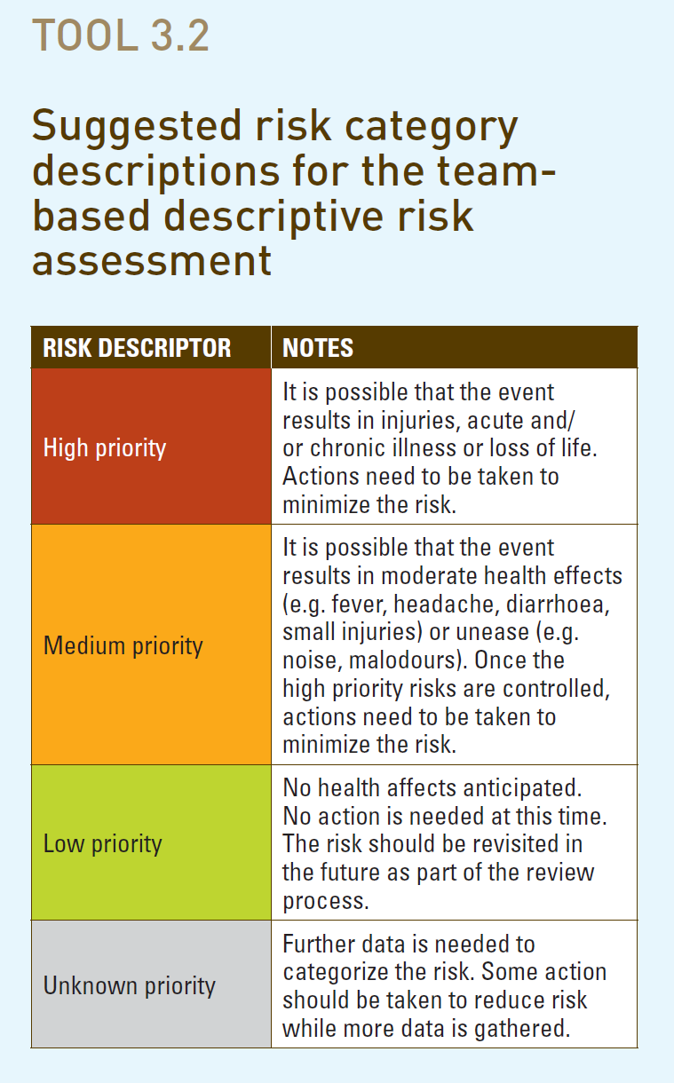
Sewer Reticulation
No. | Hazard | Social & environmental Issues | Technical issues | Non-technical prevention/mitigation | Technical & operational prevention/mitigation | Likelihood (1 to 5) | Severity (1, 2, 4, 8, 16) | Risk (L x S)
2 | Blockages in the sewer pipes | _Untreated wastewater floods out of manholes, backs up into houses _public health and environmental risk | _additional operator time and equipment | - Community educated on how to report blockages and are encouraged to report | - Regular inspection of sewer reticulation system _mapping of area prone to regular clogging and peridodically sewer flushing | 4 | 8 | 32 |  | d
3 | Opening of sewer manhole lids to dispose rubbish or to steal manhole lids | _Safety concerns regarding people, vehicle wheels falling in open manholes _Leading to hazard 2 | _Entry of high volumes of stormwater might lead to hydraulic overloading of the WWTP | _Ensure regular collection of solid waste from households | _Use low-theft-value materials for manhole lids and locking lids _Regular inspection of sewer reticulation system _screen at the head of works will prevent most detritus from entering the plant. | 3 | 8 | 24
4 | Pump failure | Same like Hazard 2 |  |  | _regular inspection _24/7 response O&M team _stand-by pump | 3 | 8 | 24
5 | Pipes leaking | Untreated wastewater seeps into the ground, posing a hazard for human health and environment | _less water in the sewer might lead to accumulation of solids and blockages hazard 2 _ground water intrusion _damages on builting foundations |  | _community eduction on reporting | 2 | 3 | 6
 |  |  |  |  |  |  |  | 0
Wastewater treatment plant
Screen
No. | Hazard | Social and environmental Issues | Technical issues | Non-technical prevention/mitigation | Technical & operational prevention/mitigation | Likeli-hood | Severity | Risk
6 | Blockage of screen | Same like Hazard 2 |  |  | _regular cleaning of screen _emergency by-pass | 3 | 3 | 9
 |  |  |  |  |  |  |  | 0
Settler
No. | Hazard | Social and environmental Issues | Technical issues | Non-technical prevention/mitigation | Technical & operational prevention/mitigation | Likelihood | Severity | Risk
7 | Scum buildup | smell | Poor treatment efficiency, poor COD biodegradation, pipe blockage | High amount of grease and fat from houses or restaurants can be the reason. Find the source, educate users and install grease traps | Regular descumming of the settler will be conducting twice weekly, or as needed to preserve treatment efficency | 4 | 6 | 24
8 | Cracked/leaking chamber | Untreated wastewater seeps into the ground, posing a hazard for human health and environment | structural damanges |  | Proper construction procedures must be followed to ensure foundation is structurally sound and chambers are water-tight. An additive to the concrete will increase water tightness to reduce corrosion of the concrete. | 2 | 4 | 8
9 | Concrete and plaster corrosion |  | compromised structural integrity of concrete, potential for roof of ABR or manhole lids to collapse |  | _ensuring high concrete and plater construction quality with aditives _finding and eliminating the source, usually forgain WW is entering the WWTP _effective tank ventilation | 2 | 4 | 8
10 | Foul odour that is bothersome to community | Lack of acceptance of WWTP within the community, potential for vandalism of site |  |  | _O&M as per instruction _Vent pipes in the settler to vent the gases above 2 meters | 1 | 8 | 8
11 | Clogged pipes |  | _WW overflow (Hazard 2) _malfunction of the WWTP |  | _O&M as per instruction and as per demand | 3 | 2 | 6
12 | Clogged filter media | - Wastewater backs up in the ABR, reticulation network. Potential for flooding. |  | Filter media will be backwashed every 3-5 years to prevent clogging. |  | 2 | 4 | 8
13 | Sludge and beneficial microbes flushed/sucked out of the ABR | Significant reduction of treatment performances | - The sludge in the ABR is required for anaerobic digestion of organics. If it is washed out, treatment efficiency will be greatly reduced, resulting in partially treated wastewater discharged to the environment. - A vacuum truck removes ALL the sludge in the ABR | _Educate and follow up on illigal stormwater connection and/or missing or demanges manholes | - separated stormater conveyance system - stormwater bypass - training plant operator in proper desludging practices | 3 | 8 | 24
 |  |  |  |  |  |  |  | 0
Siphon/pump chamber
No. | Hazard | Social & environmental Issues | Technical issues | Non-technical prevention/mitigation | Technical & operational prevention/mitigation | Likelihood (1 to 5) | Severity (1, 2, 4, 8, 16) | Risk (L x S)
14 | Mechanical failure of siphon | Significant reduction of treatment performances and environmental pollution | - Effluent is distributed on surface of VCW too frequently, preventing adequate drying time for filter media, reducing aerobic conditions - Little or no effluent is distrbuted on surface of VCW, causing wastewater to back up in the ABR/AF and reticulation network |  | - At least one spare siphon will be fabricated and in storage at all times to replace a failed siphon, if necessary - redundancy in the system, in that there are 4 syphons before each stage of sand filter. If one fails, the other three will carry on working | 2 | 2 | 4
15 | Cracked/leaking chamber | Partially wastewater seeps into the ground, posing a hazard for human health and environment |  |  | Proper construction procedures must be followed to ensure foundation is solid and chambers are water-tight. An additive to the concrete will increase water tightness reduce corrosion of the concrete. | 2 | 6 | 12
 |  |  |  |  |  |  |  | 0
Constructed Wetland (vertical sand filter)
No. | Hazard | Social & environmental Issues | Technical issues | Non-technical prevention/mitigation | Technical & operational prevention/mitigation | Likelihood (1 to 5) | Severity (1, 2, 4, 8, 16) | Risk (L x S)
16 | Clogged filter | Ponding on the VCWs, leading to anaerobic, rather than aerobic conditions, affecting treatment efficiencey, smell | Malfunction of the filter system |  | - redundancy in the filter system will allow portions of each sand filter to be turned "off" for a period of up to 2 weeks to allow for regeneration | 4 | 2 | 8
17 | Cracked/leaking filter bed | Partially wastewater seeps into the ground, posing a hazard for human health and environment | no or reduced effluent, dying of rge vegetation |  | Proper construction procedures must be followed to ensure foundation is solid and chambers are water-tight. An additive to the concrete will increase water tightness reduce corrosion of the concrete. | 2 | 8 | 16
18 | Kids/people entering the sand filter | Possible human contact with partially treated effluent |  |  | - DEWATS site will be fully fenced - Sand filters will be densely planted to reduce the desire for children to play there | 2 | 8 | 16
19 | Final effluent does not meet GL discharge standards | - Higher than allowable nutrients or pathogens will pollute watercourse and local environment, posing a risk to human health and environment |  |  | - A backup system will be proposed to polish effluent if the DEWATS treatment modules are not sufficient. - A period of one year shall be requested to bring DEWATS up to optimal operating conditions. If after one year, the backup system could be deployed | 2 | 4 | 8
 |  |  |  |  |  |  |  | 0
General
No. | Hazard | Social & environmental Issues | Technical issues | Non-technical prevention/mitigation | Technical & operational prevention/mitigation | Likelihood (1 to 5) | Severity (1, 2, 4, 8, 16) | Risk (L x S)
20 | Fence is removed/breached | - Residents could enter the DEWATS area |  | Communit education and information | Plot fencing | 3 | 4 | 12
21 | Volume to be treated is higher than design volume |  | - Reduced retention time in DEWATS, resulting in reduced treatment efficiency |  | The DEWATS are conservatively designed for 8 people per household, with | 1 | 8 | 8
22 | Lack of acceptance within the community | The housing project will have to be put on hold until eThekwini can find an alternative solution, that meets the requirements set out for a treatment plant in this particular area. |  | - Ongoing community education/engagement - Potential for crowdsourced feedback on plant |  | 2 | 8 | 16
 |  |  |  |  |  |  |  | 0
 |  |  |  |  |  |  |  | 0

Sheet2
Household
Hazard
There is potential for householders to dispose materials in their toilets and drains that could be harmful to the DEWATS system. Large volumes of harsh cleaning chemicals, such as bleach, should be avoided, as these chemicals have potential to kill off the necessary microorganisms in the ABR and AF. Additionally, large quantities of fats, oils, and greases can negatively impact the treatment efficiency. Further, rubbish should not be flushed down toilets, as this can cause blockages in the sewer pipes and at the inlet works.
Hazard mitigation
A community engagement plan must be developed and implemented to educate householders on what should and should not enter the sewer system. The design includes a bar screen to prevent most detritus from entering the DEWATS.
Sewer reticulation
Hazard
As with any waterborne sewerage network, blockages may occur within the sewer reticulation. If solid waste collection within a community is insufficient, it is not uncommon for people to open sewer manhole lids and dispose of rubbish into the sewer system. Manhole lids may be stolen
Hazard mitigation
System must be regularly checked for blockages. People must know who and how to contact if blockages occur.
Inlet works

